chs_calculator
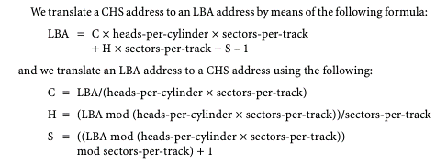
L-CHS to P-CHS |  | P-CHS to L-CHS |  | LBA to CHS
Logical C* | 4 | Physical C* | 8 | LBA* | 0
Logical H* | 7 | Physical H* | 7
Logical S* | 10 | Physical S* | 10 | Total H* | 32
 |  |  |  | Total S* | 63
Total L-H* | 32 | Total P-H* | 16
Total L-S* | 63 | Total P-C* | 63 | C | 0
 |  |  |  | H | 0
LBA | 8514 | LBA | 8514 | S | 1

Total P-H* | 16 | Total L-H* | 32
Total P-S* | 63 | Total L-H* | 63

Physical C | 8 | Logical C | 4
Physical H | 7 | Logical H | 7
Physical S | 10 | Logical S | 10

